documentation
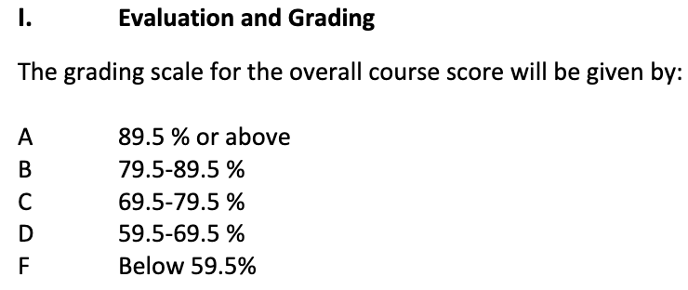

There's no explicitly defined summative and formative assignments in the syllabus

